SS_Analysis
Boost Conveter Design - Part I

Boost Design Specifications

Parameter | Value | Unit
Max Vin(avg) | 3.50 | V
Min Vin(avg) | 2.50 | V
Nominal Vout(avg) | 5.00 | V
Max Pout(avg) | 5.00 | W
Min Pout(avg) | 0.50 | W
Operating fs | 100.00 | kHz

Evaluating Key Inductor Parameters for CCM (Theoretical)

Parameter | Value | Unit (eq)
Max Operating D | 50% | (1-1)
Min Operating D | 30% | (1-2)
Max IL(avg) = Iin(avg) | 2.00 | A (1-3)
Min IL(avg) = Iin(avg) | 0.14 | A (1-4)
D for Max L for CCM | 33% | (1-5)
Rload-crit | 50 | Ω
Min L for CCM | 37.04 | µH (1-6)
Min L with 20% margin | 44.44 | µH
Selected L | 47 | µH

Evaluating Output Capacitor (Theoretical)

Parameter | Value | Unit (eq)
Max Vo Ripple | 0.05 | V
Max Iout | 1.00 | A
Min Co | 100.00 | µF (1-7)
Min Co with 20% margin | 120.00 | µF
Selected Co | 560 | µF

Evaluating Steady-State Operating Conditions (Theoretical)

Parameter | Value | Unit (eq) | Value | Unit (eq) | Value | Unit (eq) | Value | Unit (eq) | Value | Unit (eq)
Vout | 5.00 | V | 5.00 | V | 5.00 | V | 5.00 | V | 5.00 | V
Vin | 2.50 | V | 3.50 | V | 2.50 | V | 3.50 | V | 3.00 | V
Pout | 0.50 | W | 0.50 | W | 5.00 | W | 5.00 | W | 2.75 | W
RLoad | 50.00 | Ohms (1-8) | 50.00 | Ohms (1-8) | 5.00 | Ohms (1-8) | 5.00 | Ohms (1-8) | 9.09 | Ohms (1-8)
Operating D | 50% | (1-9) | 30% | (1-9) | 50% | (1-9) | 30% | (1-9) | 40% | (1-9)
Iin(avg) = IL(avg) | 0.200 | A (1-10) | 0.143 | A (1-10) | 2.000 | A (1-10) | 1.429 | A (1-10) | 0.917 | A (1-10)
dIL | 0.266 | A (1-11) | 0.223 | A (1-11) | 0.266 | A (1-11) | 0.223 | A (1-11) | 0.255 | A (1-11)
DCM Achieved | Yes |  | Yes |  | Yes |  | Yes |  | Yes
Iin(pk) = IL(pk) | 0.333 | A (1-12) | 0.255 | A (1-12) | 2.133 | A (1-12) | 1.540 | A (1-12) | 1.044 | A (1-12)
Iin(min) = IL(min) | 0.067 | A | 0.031 | A | 1.867 | A | 1.317 | A | 0.789 | A
Iin(rms) = IL(rms) | 0.214 | A (1-13) | 0.157 | A (1-13) | 2.001 | A (1-13) | 1.430 | A (1-13) | 0.920 | A (1-13)
Iout(avg) = ID(avg) | 0.100 | A (1-14) | 0.100 | A (1-14) | 1.000 | A (1-14) | 1.000 | A (1-14) | 0.550 | A (1-14)
ISw(rms) | 0.151 | A (1-15) | 0.086 | A (1-15) | 1.415 | A (1-15) | 0.783 | A (1-15) | 0.582 | A (1-15)
IC(rms) | 0.114 | A (1-16) | 0.085 | A (1-16) | 1.001 | A (1-16) | 0.657 | A (1-16) | 0.453 | A (1-16)
VSw(max) | 5.00 | V (1-17) | 5.00 | V (1-17) | 5.00 | V (1-17) | 5.00 | V (1-17) | 5.00 | V (1-17)
VD(max) | 5.00 | V (1-18) | 5.00 | V (1-18) | 5.00 | V (1-18) | 5.00 | V (1-18) | 5.00 | V (1-18) | Schottky Diode | SSA34-E3/61T | 0.46V (@3A)
dVout | 0.893 | mV (1-19) | 0.536 | mV (1-19) | 8.929 | mV (1-19) | 5.357 | mV (1-19) | 3.929 | mV (1-19)

Validating Steady-State Operating Conditions (Open-Loop Simulations)

Parameter | Value | Unit (eq) | Value | Unit (eq) | Value |  | Value | Unit (eq) | Value | Unit (eq)
RLoad | 50.00 | Ohms | 50.00 | Ohms | 5.00 | Ohms | 5.00 | Ohms | 9.09 | Ohms
Operating D | 0.50 |  | 0.30 |  | 0.50 |  | 0.30 |  | 0.40
Vout (avg) | 4.998 | V | 4.991 | V | 4.998 | V | 4.998 | V | 4.998 | V
Pout (avg) | 0.500 | W | 0.500 | W | 4.997 | W | 4.996 | W | 2.748 | W
DCM Achieved | Yes |  | Yes |  | Yes |  | Yes |  | Yes
dIL | 0.266 | A | 0.223 | A | 0.266 | A | 0.223 | A | 0.255 | A
Iin(pk) = IL(pk) | 0.333 | A | 0.254 | A | 2.132 | A | 1.540 | A | 1.044 | A
Iin(rms) = IL(rms) | 0.214 | A | 0.157 | A | 2.000 | A | 1.429 | A | 0.919 | A
Iout(avg) = ID(avg) | 0.100 | A | 0.100 | A | 1.000 | A | 1.000 | A | 0.550 | A
ISw(rms) | 0.151 | A | 0.086 | A | 1.415 | A | 0.783 | A | 0.581 | A
IC(rms) | 0.114 | A | 0.085 | A | 1.001 | A | 0.657 | A | 0.453 | A
VSw(max) | 5.002 | V | 5.000 | V | 5.035 | V | 5.020 | V | 5.014 | V
VD(max) | 5.002 | V | 5.000 | V | 5.035 | V | 5.020 | V | 5.014 | V
dVout | 0.900 | mV | 0.660 | mV | 8.210 | mV | 5.220 | mV | 32.350 | mV

UC3843 & PI Controller Parameters (Theoretical)

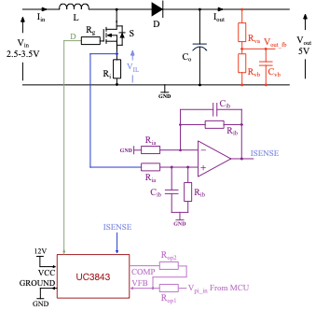
Parameter | Value | Unit (eq)
Min PI Output (Vpi_in) | 1.00 | V
Max PI Output (Vpi_in) | 4.00 | V
Vref for 5V Output | 2.50 | V
Rg | 22.00 | Ohms
Cct | 1.00 | nF
Rrt | 18.00 | kOhms
Ri | 0.10 | Ohms (1-20)
Ria | 39.00 | Ohms (1-21)
Rib | 150.00 | Ohms (1-22)
Cib | 100.00 | pF (1-23)
Rva | 100.00 | kOhms (1-24)
Rvb | 100.00 | kOhms (1-25)
Cvb | 3300.00 | pF (1-26)
Rop1 | 4.70 | kOhms
Rop2 | 10.00 | kOhms
Cf | 150.00 | pF
Selected Kp | 1
Selected Ki | 300

Validating PI Controller Operation (Closed-Loop Simulations)

Parameter | Value | Unit (eq) | Value | Unit (eq) |  |  | Value | Unit (eq) | Value | Unit (eq)
RLoad | 50.00 | Ohms | 50.00 | Ohms | 5.00 | Ohms | 5.00 | Ohms | 10.00 | Ohms
Vref | 2.50 | V | 3.50 | V | 2.50 | V | 3.50 | V | 3.00 | V
Steady State Vout (avg) | 5.001 | V | 5.000 | V | 4.998 | V | 4.999 | V | 4.999 | V
Settling Time (+/- 5%) | 7.3 | ms | 5.5 | ms | 8.9 | ms | 6.0 | ms | 4.8 | ms

Evaluating Coupling & Pass Capacitors

Parameter | Placement Location |  | Placement Reasoning |  | Calculation//Formulae |  | Value
C1/C3/C4 | Input side to the MOSFET |  | Smooth input ripple |  | - To be done |  | 0 - short
C5/C6 | Extras on output side of MOSFET |  | Act as bypass capacitors |  | - To be done |  | 0 - short
C12/R21 | UC3843 output//Rop1/op2 |  | Low pass noise filter to MCU_PI sig |  | fp = 1/2piRC @ 10MHz corner |  | R21 = 37k, C12 = 3.3nF
C10 | RC/CT Circuit near Rrt |  | Vref bypass capacitor |  | = 0.1uF as per datasheet |  | 0.1uf//100nF
C15/C16/C17 | Close by all major elect 'hubs' |  | Respond to local high f noise |  | C = (Idelt)/(delV) = (0.05*10e-6)/0.5. & Xc = 1/(2pifC) |  | 100nF @ 15.9mOhm per C

OVP
R15 = 3.3kOhm | R15 and R13 is voltage divider which determines the voltage which the boost converter output must exceed for Vo to be pulled high and
R13 = 1kOhm
R16 = 1MOhm | 10*R13/R16 sets the hysteresis which is set to 0.01V
R7 = 180kOhms | R7 limits current through IB/IC.
Slope Compensation
C13 = 10nF | C13 and R10 forms a high-pass filter which basically filters out the DC shift of RT/CT.
R10 = 15kOhm
R11 = 1.5kOhm | R10/R11 is a factor that modifies the RT/CT(ac) component to be 20% of the current sense voltage ripple for slope compensation.
R23 = 500Ohm | Limits current through IC.

Testing_Openloop
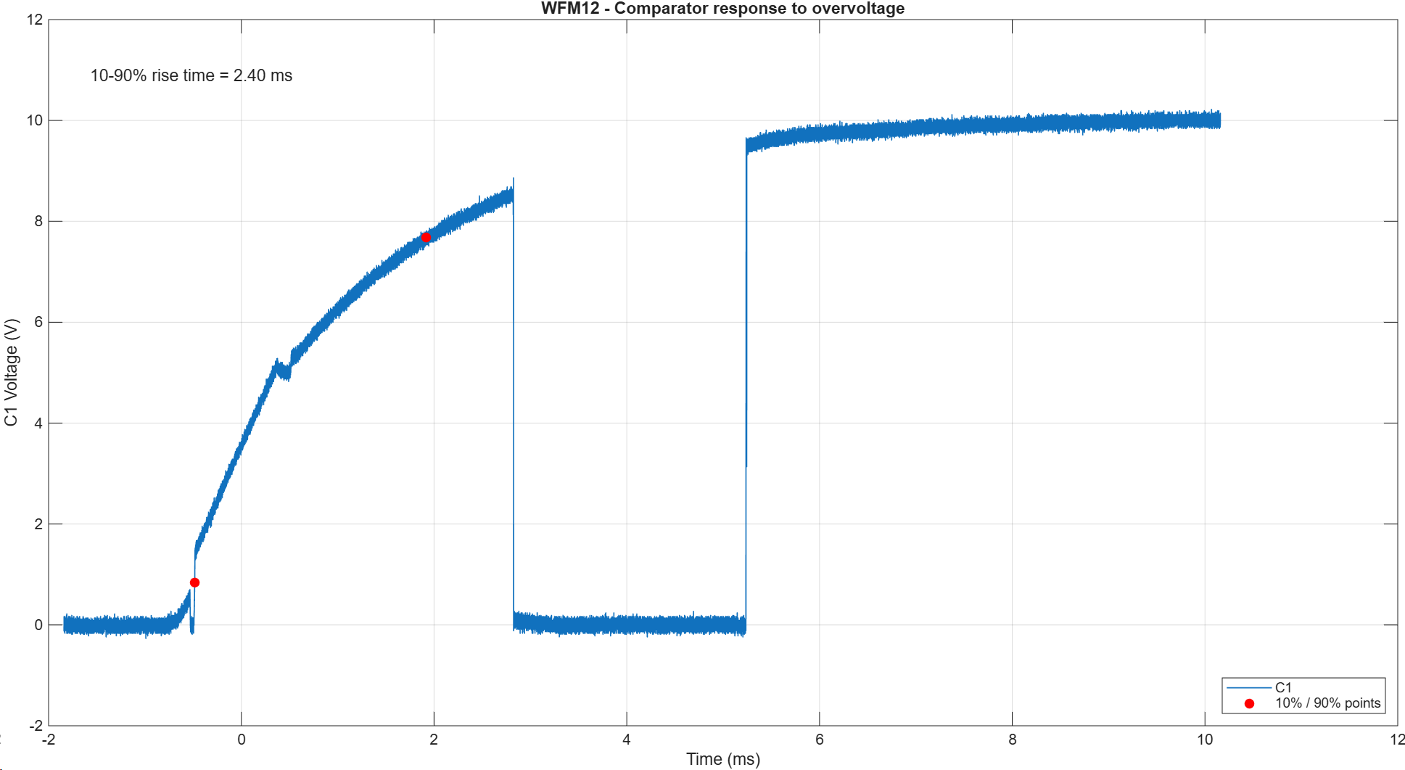
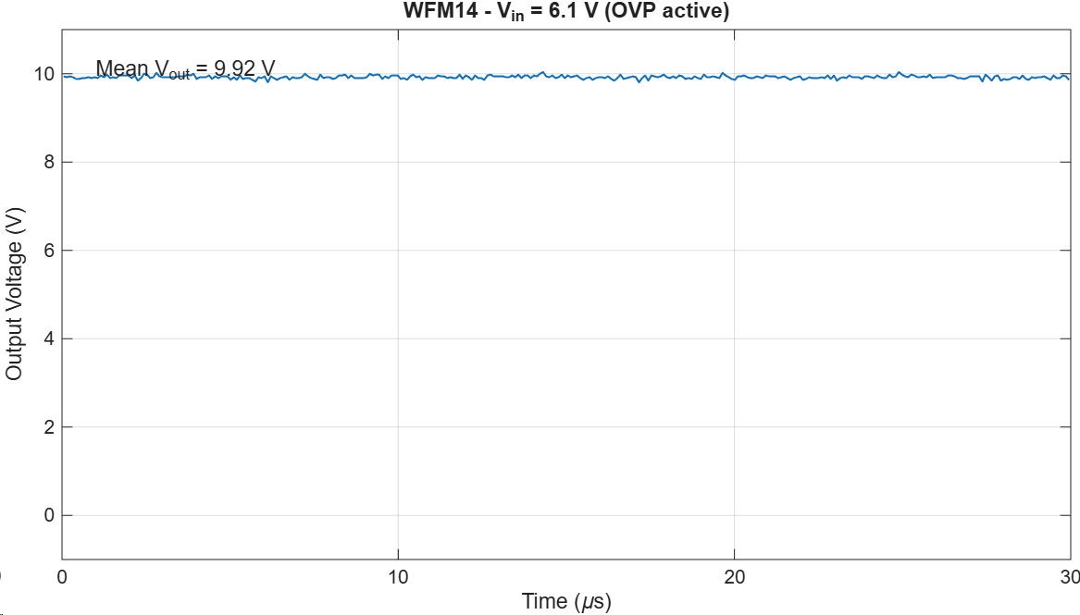
 | Testing with breadboard: E12 values
 | Rl values |  | Rl_E12 values |  |  | Testing Items for each: |  |  |  | Order list: breadboard testing
 | 5 | * | 5.6 | * |  | Output V |  |  |  | Breadboard
 | 10 | * | 10 | * |  | Current through inductor |  |  |  | 5.6, 10, 22, 33, 47 ohm resistors
 | 15 | * | 15 |  |  | Current through shunt branch |  |  |  | 47uH inductor
 | 20 |  | 22 | * |  |  |  |  |  | Schotty diode
 | 25 | * | 27 |  |  | ^Note: Others were not measured
 | 30 | * | 33 |  |  | due to time constraints, and lack of |  |  |  | > Input V given by DC power supply
 | 35 |  | 33 | * |  | 0.1ohm shunt resistors available. |  |  |  | >Switch operated using oscilloscope
 | 40 | * | 39
 | 45 | * | 47
 | 50 | * | 47 | *

 | Rl = 5.6 | Real R: 5.58 |  |  |  | Rl = 10 | Real R: 10.07 |  |  |  | Rl = 22 | Real R: 22.08 |  |  |  | Rl = 33 | Real R: 32.89 |  |  | Rl = 47 | Real R: 47.13
 | Input V | 2.5 | 3 | 3.5 |  | Input V | 2.5 | 3 | 3.5 |  | Input V | 2.5 | 3 | 3.5 |  | Input V | 2.5 | 3 | 3.5 | Input V | 2.5 | 3 | 3.5
 | Duty Cycle | 50% | 40% | 30% |  | Duty Cycle | 50% | 40% | 30% |  | Duty Cycle | 50% | 40% | 30% |  | Duty Cycle | 50% | 40% | 30% | Duty Cycle | 50% | 40% | 30%
 | Output V | 3V | 3.3 | 3.55 |  | Output V | 3.5V | 3.8V | 3.9V |  | Output V | 3.4V | 3.9V | 4V |  | Output V | 4V | 4.1V | 4.2V | Output V | 4.2V | 4.26V | 4.3V

 | Testing on PCB in Open Loop (Ideal Conditions)

 | Rl = 5 |  |  |  |  | Rl = 10 |  |  |  |  | Rl = 20 |  |  |  |  | Rl = 30 |  |  |  | Rl = 40 |  |  |  | Rl = 50
 | Input V | 2.5 | 3 | 3.5 |  | Input V | 2.5 | 3 | 3.5 |  | Input V | 2.5 | 3 | 3.5 |  | Input V | 2.5 | 3 | 3.5 | Input V | 2.5 | 3 | 3.5 | Input V | 2.5 | 3 | 3.5
 | Duty Cycle | 50% | 40% | 30% |  | Duty Cycle | 50% | 40% | 30% |  | Duty Cycle | 50% | 40% | 30% |  | Duty Cycle | 50% | 40% | 30% | Duty Cycle | 50% | 40% | 30% | Duty Cycle | 50% | 40% | 30%
 | Output V | 3.73 | 3.95 | 4.11 |  | Output V | 4.09 | 4.22 | 4.3 |  | Output V | 4.28 | 4.38 | 4.45 |  | Output V | 4.38 | 4.45 | 4.51 | Output V | 4.42 | 4.49 | 4.53 | Output V | 4.47 | 4.5 | 4.55
 | MCU_VFB | 1.865 | 1.975 | 2.055 |  | MCU_VFB | 2.045 | 2.11 | 2.15 |  | MCU_VFB | 2.14 | 2.19 | 2.225 |  | MCU_VFB | 2.19 | 2.225 | 2.255 | MCU_VFB | 2.21 | 2.245 | 2.265 | MCU_VFB | 2.235 | 2.25 | 2.275

 | >Testing duty cycle that gives Vout = 5V (less test cases) |  |  |  |  |  |  |  |  |  |  |  |  |  | Output Voltages as displayed on Oscilloscope - (At boundary conditions - 2.5/3.5V, 5/50ohm)

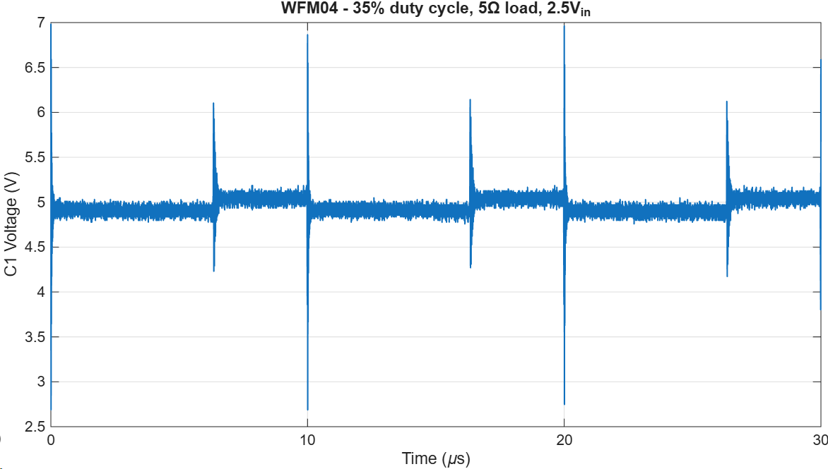
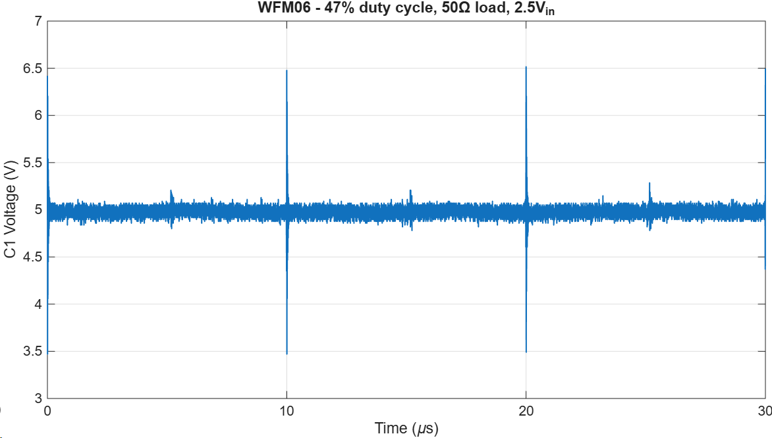
 | Rl = 5 |  |  |  | Rl = 50 |  |  |  | *Overvoltage limits voltage to 5.99V at 3.5V Vin
 | Input V | 2.5 | 3.5 |  | Input V | 2.5 | 3.5 |  | At, 65% duty cycle it starts to limit
 | Duty Cycle | 1 - 0.35 | 1 - 0.6 |  | Duty Cycle | 1 - 0.47 | 1 - 0.67 |  | *Overvoltage limits voltage to 5.97V at 2.5V Vin
 | Output V | 5.04 | 5.05 |  | Output V | 4.97 | 4.98 |  | At 65% duty cycle it starts to limit
 | Efficiency | 68% | 79% |  | Efficiency | 86% | 86%
 | Pin | 6.25 | 5.14 |  | Pin | 0.5 | 0.5 |  | *Overvoltage cannot occur at 5ohms since
 | Pout | 4.27 | 4.06 |  | Pout | 0.43 | 0.43 |  | current is limited to 3A
 | V ripple | 3.9 | 4.04 |  | V ripple | 2.88 | 2.56

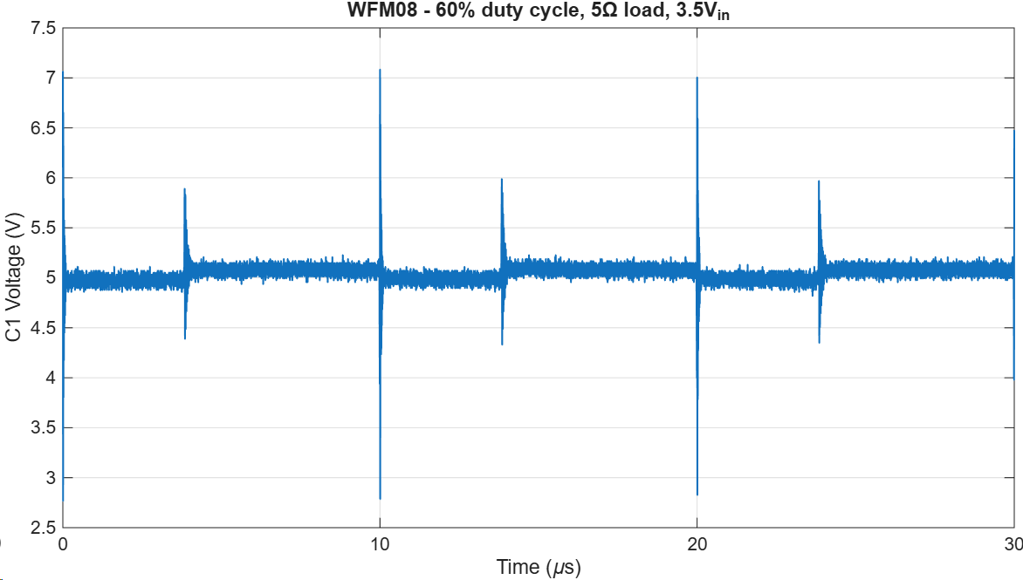
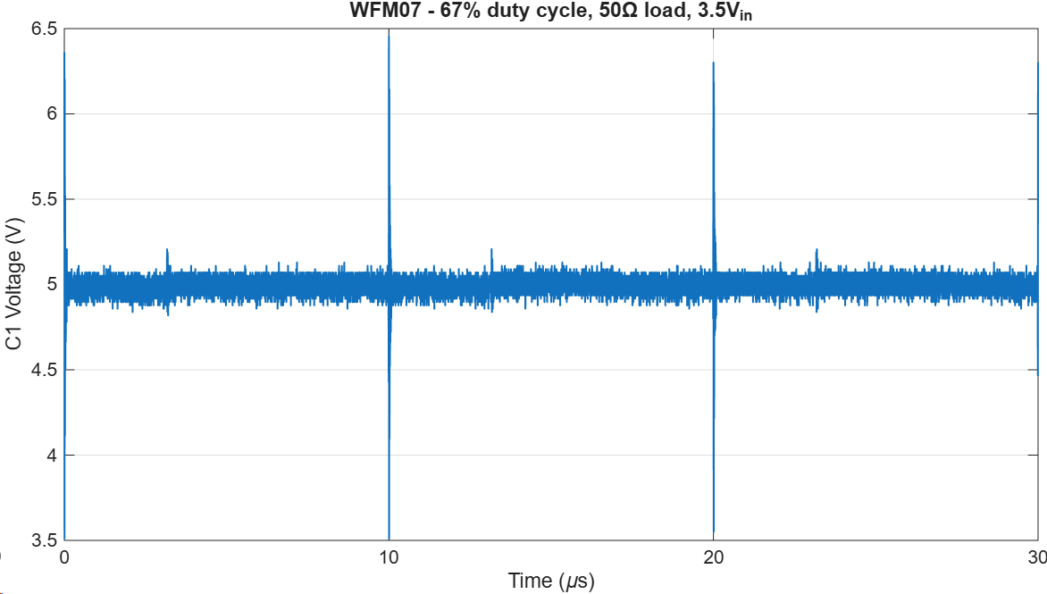

C2

C1

 | Current feedback testing - (IFB is input, IFBF is output) |  |  |  |  |  |  |  | Voltage divider check: |  |  |  |  |  | Current sense input & output values as displayed on Oscilloscope

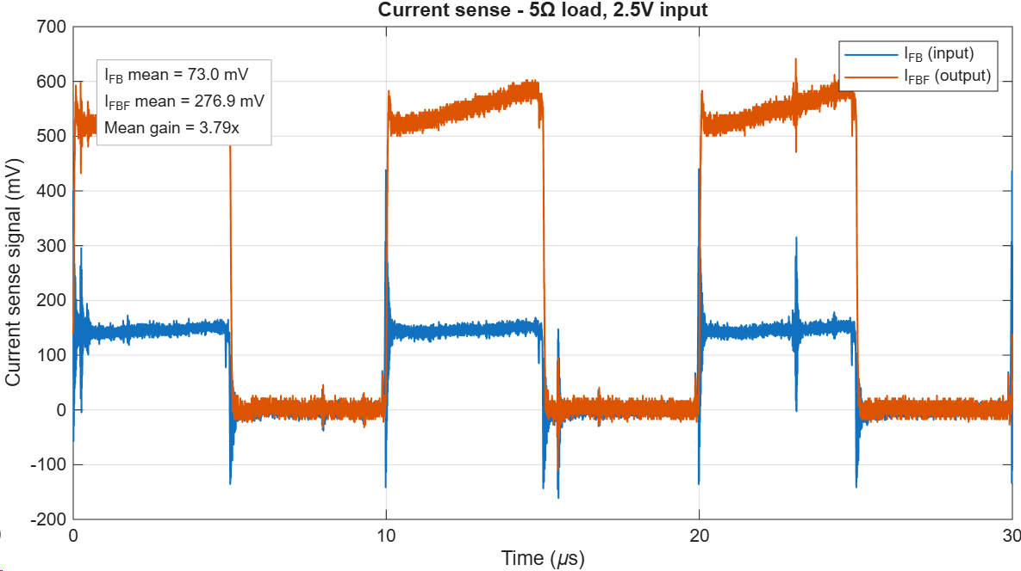
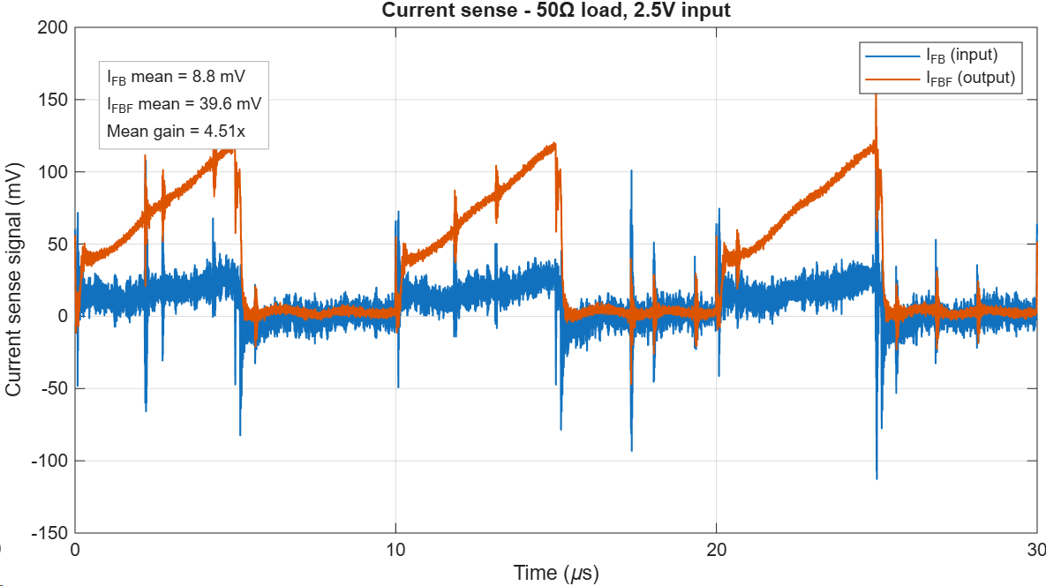
 | Rl = 5 |  |  |  | Rl = 50 |  |  |  | Rl = 5
 | Input V | 2.5 | 3.5 |  | Input V | 2.5 | 3.5 |  | Input V | 2.5
 | Duty Cycle | 0.5 | 0.3 |  | Duty Cycle | 0.5 | 0.3 |  | Duty cycle | 0.5
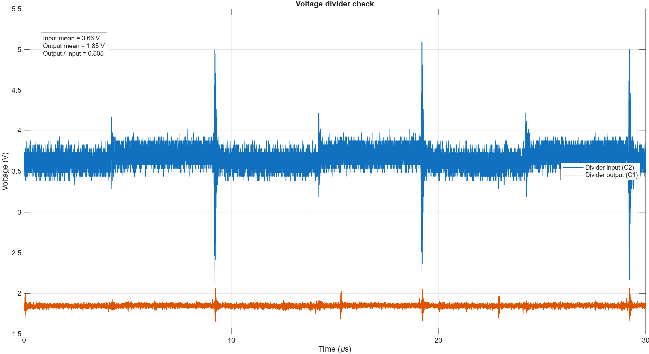
 | IFB(mean) (mV) | 73 | 35.7 |  | IFB(mean) (mV) | 8.8 | 3.9 |  | VFB(mean) (V) | 1.85
 | IFB(peak) (mV) | 612 | 592.9 |  | IFB(peak) (mV) | 250 | 231.3 |  | VFB(pk-pk amplitude) (V) | 0.42
 | IFBF(mean) (mV) | 277.9 | 131.4 |  | IFBF(mean) (mV) | 39.6 | 19.8 |  | VFBF(mean) (V) | 3.66
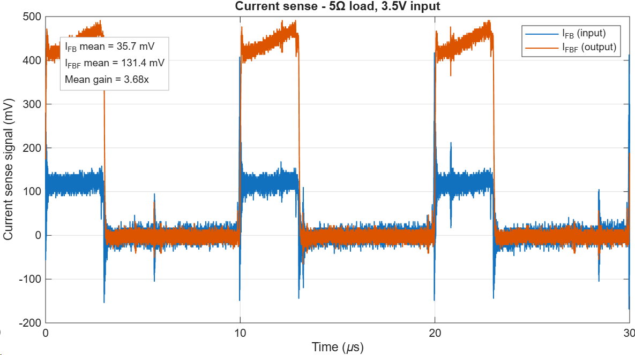
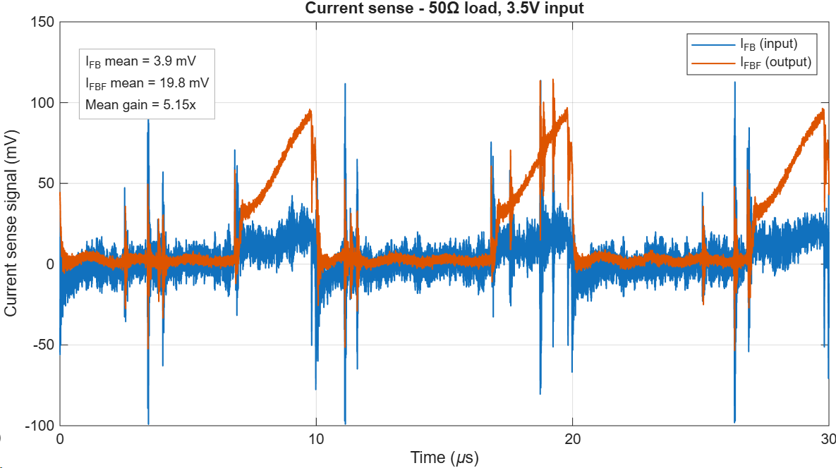
 | IFBF(peak) (mV) | 749.7 | 558.6 |  | IFBF(peak) (mV) | 211.7 | 181.8 |  | VFBF(pk-pk amplitude) (V) | 2.99
 | Filename (input/IFB) | 5_25_I | 5_35_I |  |  | 50_25_I2 | 50_35_I |  |  | VDIV_I
 | Filename (output/IFBF) | 5_25_O | 5_35_O |  |  | 50_25_O | 50_35_O |  |  | VDIV_O

 | Over Voltage Protection (OVP) testing |  |  |  |  |  |  |  |  |  |  |  |  |  | OVP testing results as displayed on Oscilloscope

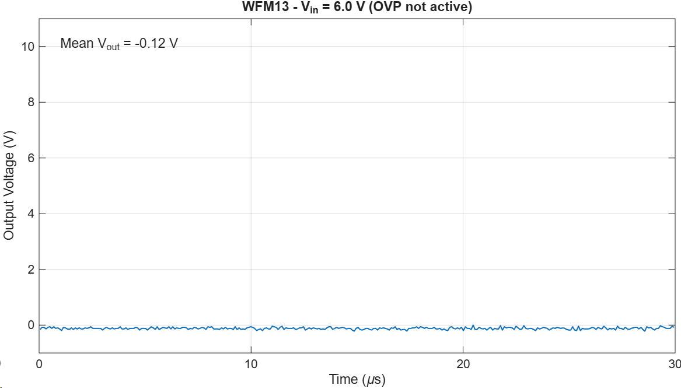
 | Speed: 286.4ns
 | From putting a 7v signal through the 5v pin on the pcb, then measuring Vout and capturing the time it takes on a rising
 | edge to go high (set to 6V)

 | OverVoltage threshold is 6.1, which was found (+detailed in report) by incrementing in 0.1V intervals to the
 | input of the OVP comparator

Testing_Closedloop
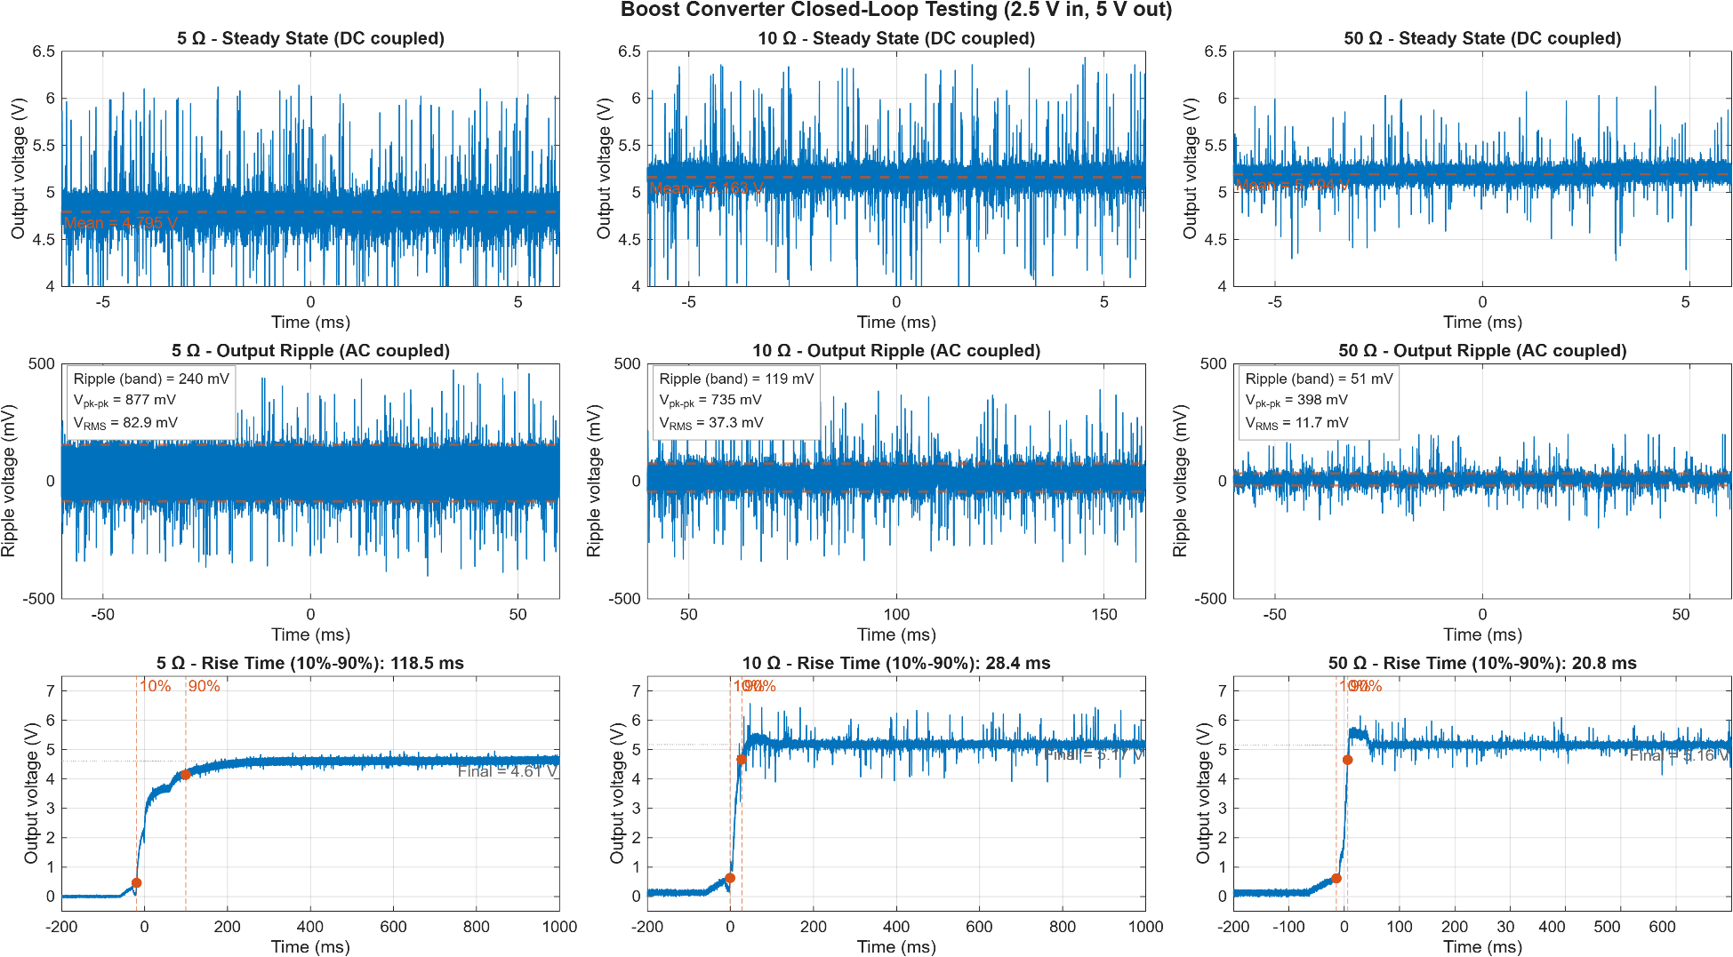
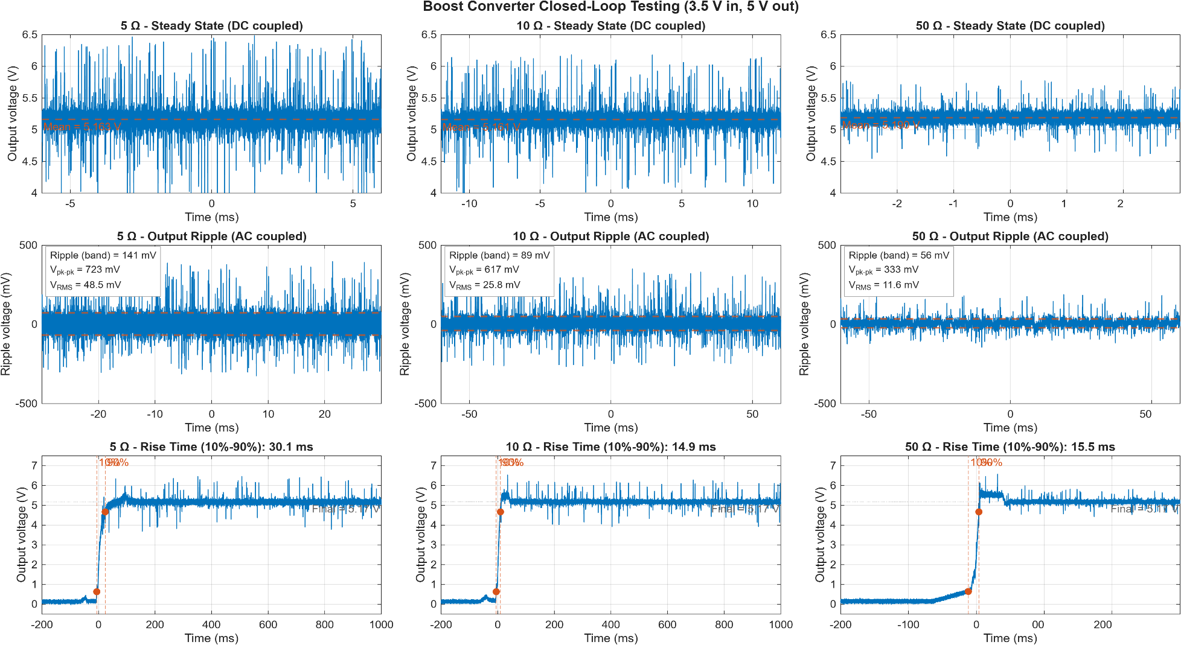
2.5V Vin Results |  |  |  | 3.5V Vin Results
Rl | 5 | 10 | 50 | Rl | 5 | 10 | 50
Output V | 4.795 | 5.163 | 5.194 | Output V | 5.163 | 5.161 | 5.19
Efficiency | 64% | 78% | 89% | Efficiency | 77% | 85% | 91%
Pin | 6.47 | 3.15 | 0.57 | Pin | 6.3 | 2.89 | 0.55
Pout | 4.13 | 2.47 | 0.51 | Pout | 4.85 | 2.46 | 0.5
V ripple (mV) | 240 | 119 | 51 | V ripple (mV) | 141 | 89 | 56
Trise (ms) | 118.5 | 28.4 | 20.8 | Trise (ms) | 30.1 | 14.9 | 15.5

